3.12
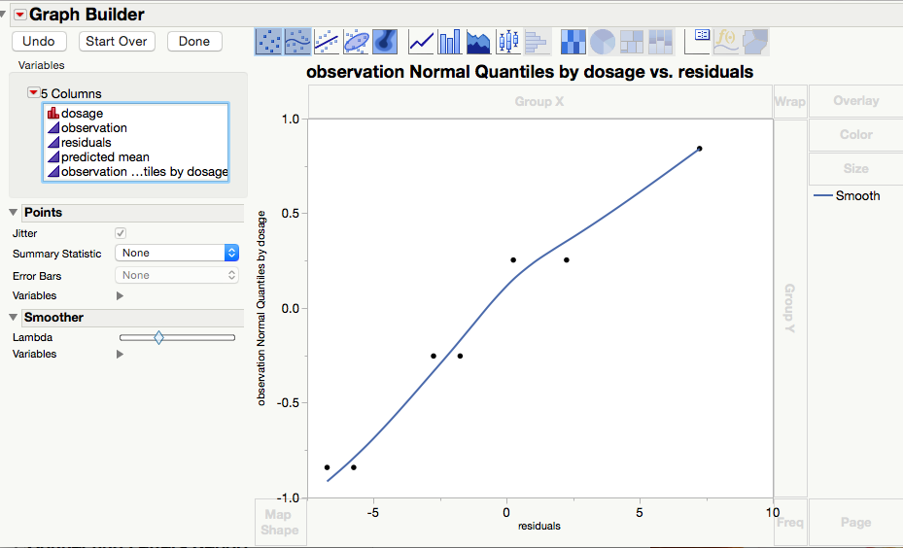
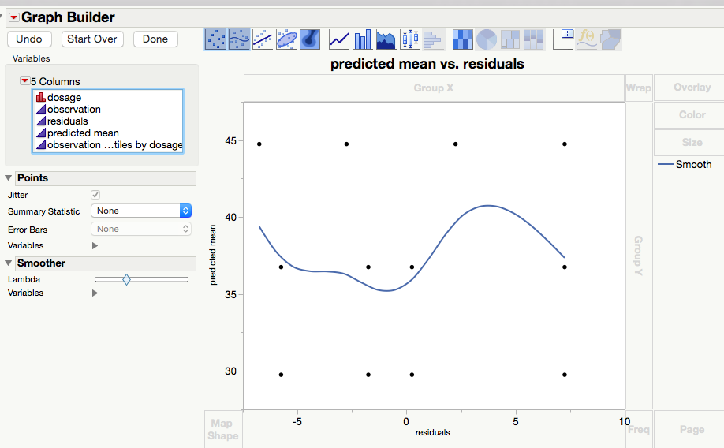
dosage | observation
20 | 24
20 | 28
20 | 37
20 | 30
30 | 37
30 | 44
30 | 31
30 | 35
40 | 42
40 | 47
40 | 52
40 | 38

 | normal probability plot of the residuals | residuals vs predicted

3.7
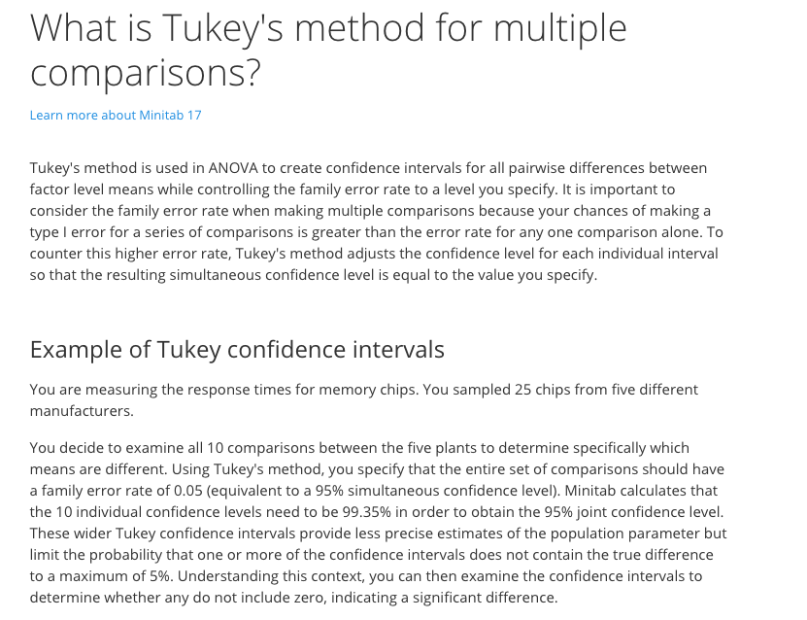
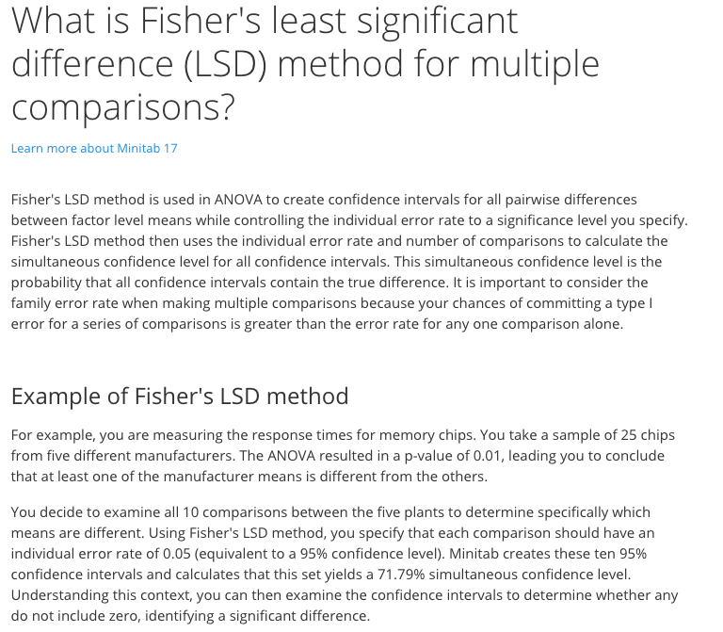
mixing technique | TS
1 | 3129
1 | 3000
1 | 2865
1 | 2890
2 | 3200
2 | 3300
2 | 2975
2 | 3150
3 | 2800
3 | 2900
3 | 2985
3 | 3050
4 | 2600
4 | 2700
4 | 2600
4 | 2765

 |  | normal probability plot of residuals: - save -> residuals, save -> normal quantiles and graph them
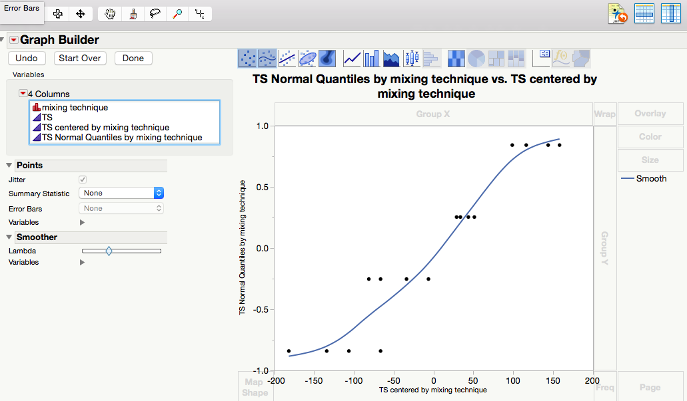
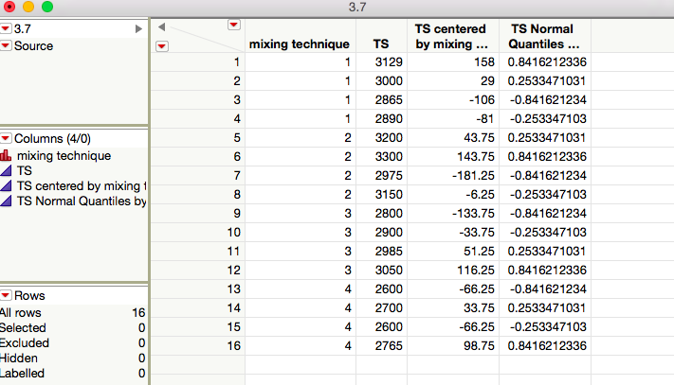

 |  |  |  | normalized vs. residuals

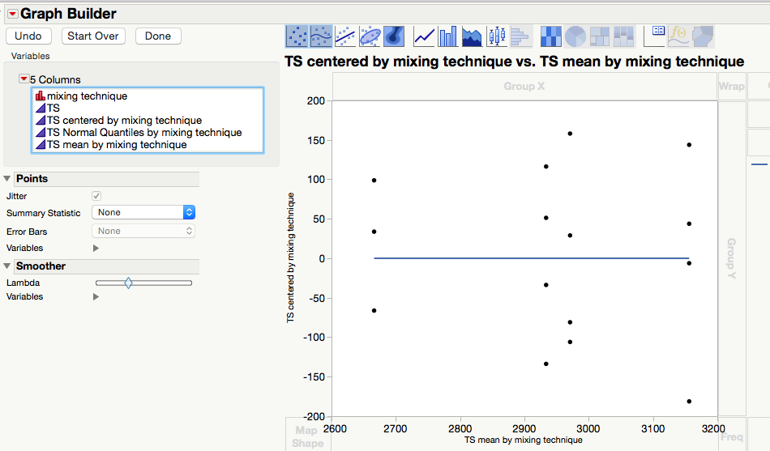

 |  |  | residuals vs predicted means

